House Details
Step 1: | Find Your Local Climate Conditions
 | Heating Degree Days: |  | Choose the city closest to you from the list on the right and enter the HDD (65) number into the box below |  |  |  |  |  |  |  |  | Excerpt of ASHRAE 90.1 2010 Table D-1
 | HDD (65) | 6948 |  |  |  |  |  |  |  |  |  | City | State | HDD (65) | CDD (50)
 | Interior Temp. | 65 | (don't change this unless you are also changing the base temperature of your HDD) |  |  |  |  |  |  |  |  | Anchorage | AK | 10570 | 688
 | Design Temperture: |  | Find your area on the map below and choose the appropriate design temperature in the box below |  |  |  |  |  |  |  |  | Fairbanks | AK | 13940 | 1040
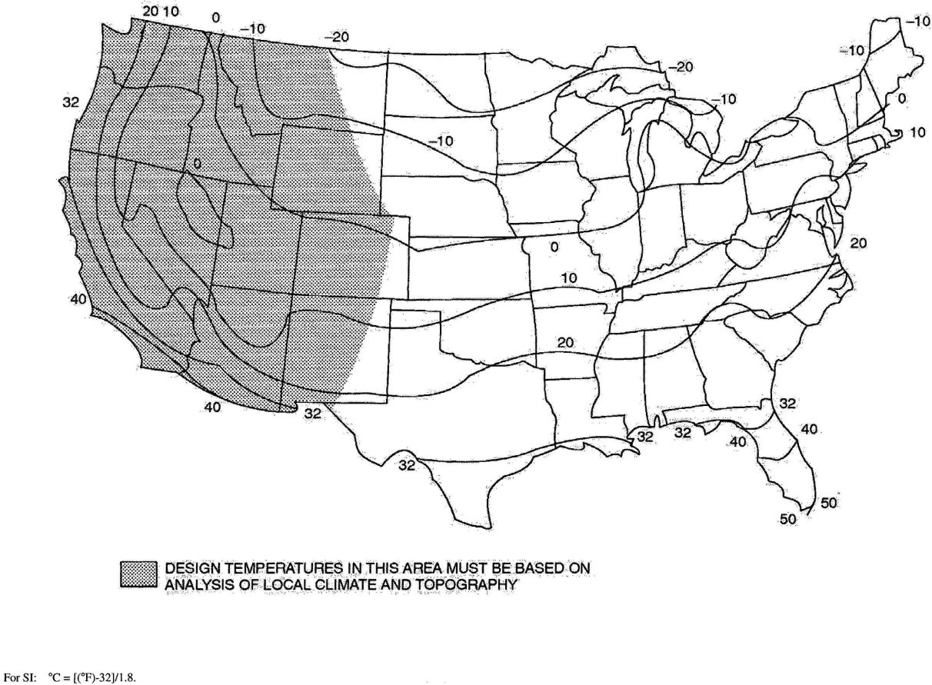
 | Design Temp. | 0 |  |  |  |  |  |  |  |  |  | San Francisco | CA | 3016 | 2883
 |  |  |  |  |  |  |  |  |  |  |  | Boulder | CO | 5554 | 2820
 |  |  |  |  |  |  |  |  |  |  |  | Hartford | CT | 6155 | 2768
 |  |  |  |  |  |  |  |  |  |  |  | Dover | DE | 4337 | 3894
 |  |  |  |  |  |  |  |  |  |  |  | Honolulu | HI | 0 | 9949
 |  |  |  |  |  |  |  |  |  |  |  | Boise | ID | 5861 | 2807
 |  |  |  |  |  |  |  |  |  |  |  | Chicago | IL | 6536 | 2941
 |  |  |  |  |  |  |  |  |  |  |  | Columbus | IN | 5536 | 3353
 |  |  |  |  |  |  |  |  |  |  |  | Bangor | ME | 7930 | 1916
 |  |  |  |  |  |  |  |  |  |  |  | Portland | ME | 7378 | 1943
 |  |  |  |  |  |  |  |  |  |  |  | Baltimore | MD | 4707 | 3709
 |  |  |  |  |  |  |  |  |  |  |  | Boston | MA | 5641 | 2897
 |  |  |  |  |  |  |  |  |  |  |  | Springfield | MA | 5754 | 3037
 |  |  |  |  |  |  |  |  |  |  |  | Detroit | MI | 6167 | 3046
 |  |  |  |  |  |  |  |  |  |  |  | Minneapolis-St Paul | MN | 7981 | 2680
 |  |  |  |  |  |  |  |  |  |  |  | Berlin | NH | 8645 | 1718
 |  |  |  |  |  |  |  |  |  |  |  | Concord | NH | 7554 | 2087
 |  |  |  |  |  |  |  |  |  |  |  | Keene | NH | 6948 | 2398
 | Ground Temperature: |  | Use map below to find the mean water temperature for your area, enter the number below |  |  |  |  |  |  |  |  | Portsmouth | NH | 6572 | 2418
 | Ave. Winter Temp. | 47 | (this is a proxy for the ground temperature) |  |  |  |  |  |  |  |  | Atlantic City | NJ | 5169 | 3198
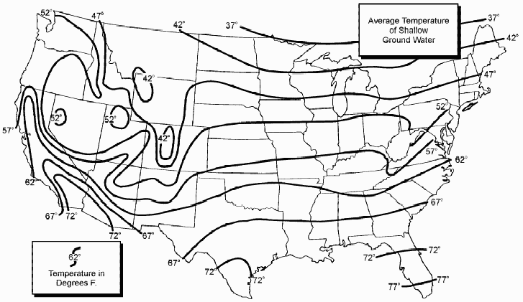
 | Hours/year | 4320 |  |  |  |  |  |  |  |  |  | Albany | NY | 6894 | 2525
 |  |  |  |  |  |  |  |  |  |  |  | Buffalo | NY | 6747 | 2468
 |  |  |  |  |  |  |  |  |  |  |  | NY City (central park) | NY | 4805 | 3634
 |  |  |  |  |  |  |  |  |  |  |  | Rochester | NY | 6734 | 2406
 |  |  |  |  |  |  |  |  |  |  |  | Schenectady | NY | 6881 | 2500
 |  |  |  |  |  |  |  |  |  |  |  | Cleveland | OH | 6201 | 2755
 |  |  |  |  |  |  |  |  |  |  |  | Philidelphia | PA | 4954 | 3623
 |  |  |  |  |  |  |  |  |  |  |  | Pittsburg | PA | 5968 | 2836
 |  |  |  |  |  |  |  |  |  |  |  | Lancaster | PA | 5584 | 3079
 |  |  |  |  |  |  |  |  |  |  |  | Providence | RI | 5884 | 2743
 |  |  |  |  |  |  |  |  |  |  |  | Burlington | VT | 7771 | 2228
 |  |  |  |  |  |  |  |  |  |  |  | Rutland | VT | 7066 | 2345

Step 2: | Define the shape of your house
 | Floor Area: | Note: this includes all floor area within the thermal barrier or all the Heated/Cooled space
 |  | Include basement only if there is no insulation in the floor between the basement and first floor
 |  | Include attic only if there is no insulation in or on top of the ceiling between the top floor and attic
 |  | If including Attic then ceiling height is average height of room
 |  |  |  |  | Area |  | Ceiling Height |  | Above Grade stories
 |  |  | Basement | Bfla | 1344 | sqft | 0 | ft | 0
 |  |  | 1st Floor | 1fla | 1344 | sqft | 9 | ft | 1
 |  |  | 2nd Floor | 2fla | 1344 | sqft | 8 | ft | 1
 |  |  | 3rd Floor | 3fla | 0 | sqft | 0 | ft | 0
 |  |  | Attic | Afla | 1344 | sqft | 5.25 | ft | 1

 |  |  | Total Floor Area | FLa | 5376 | sqft |  |  | 3 | stories
 |  |  | Interior Living Space |  | 4032 | sqft

 |  |  | # of Occupants or # of Bedrooms +1 | 4 | people
 | Surface Area: | Note: this is includes all insulated exterior surfaces or surfaces connected to Heated and Cooled areas.
 |  | Include basement walls only if there is no insulation in the floor between the basement and first floor
 |  | Include roof surfaces only if there is no insulation in or on top of the ceiling between the top floor and attic, if the ceiling is insulated then roof surface is the ceiling area
 |  | Use either option 1) or 2) not both for Basement
 |  |  | Basement: |  |  |  | Surface Area
 |  | 1) | Insulated 1st floor |  | 0 | sqft
 |  | 2) | slab |  | 1344 | sqft | 1344 | sqft
 |  | 2) | Perimeter of basement |  | 152 | ft
 |  |  | Average height of Above grade wall |  | 1 | ft | 152 | sqft
 |  |  | Average depth of Basement from grade |  | 8 | ft | 1216 | sqft
 |  |  | Shortest width of slab |  | 16 | ft | Wb
 |  |  | Walls:
 |  |  | elevation 1 |  | 816 | sqft
 |  |  | elevation 2 |  | 816 | sqft
 |  |  | elevation 3 |  | 623 | sqft
 |  |  | elevation 4 |  | 623 | sqft

 |  |  | Total wall surface area | Wsa | 2878 | sqft

 |  |  | Windows: | Qty | Window Area | Total Area |  | Window R-value | Window U-Value | Window UA | Window R-values from Marvin's best option
 |  |  | Type A | 35 | 15 | 525 |  | 3 | 0.33333333333 | 175 | http://www.integritywindows.com/Spec-Finder-Pro-Double-Hung-Wood-Ultrex/
 |  |  | Type B | 17 | 9 | 153 |  | 3 | 0.33333333333 | 51
 |  |  | Type C | 0 | 0 | 0 |  | 3 | 0.33333333333 | 0
 |  |  | Type D | 0 | 0 | 0 |  | 3 | 0.33333333333 | 0
 |  |  | Type E
 |  |  | Type F
 |  |  | Type G
 |  |  | Type H
 |  |  | Type I

 |  |  | Total Window Area | 52 |  | 678 |  | Total UA | WIua | 226
 |  |  | RO as % of wall | 31.5%
 |  |  | SIP Framing Factor | 17.8%
 |  |  | LCF Framing Factor | 36.4%
 |  |  | Doors | Qty | Area | Total Area |  | Door R-value | Door U-value | Door UA
 |  |  | Type 1 | 2 | 22 | 44 |  | 2 | 0.5 | 22
 |  |  | Type 2 | 4 | 46 | 184 |  | 3 | 0.33333333333 | 61.333333333
 |  |  | Type 3 |  |  | 0

 |  |  | Total Door Area | 6 |  | 228 |  | Total UA | Dua | 83.333333333

 |  |  | Clear Wall
 |  |  | wall area - window and doors |  | 1972 | sqft

 |  |  | Roof Surface Area
 |  |  | Note: find vertical Area from elevations
 |  |  | Pitch x/12 | 10 |  | Adjusted Area
 |  |  | Area Side 1 | 492 | sqft | 769
 |  |  | Area Side 2 | 492 | sqft | 769
 |  |  | Area Side 3 | 0 | sqft | 0
 |  |  | Area Side 4 | 0 | sqft | 0
 |  |  | Total Roof Surface Area |  |  | 1888 | sqft

Total losses
 |  |  |  |  |  |  |  |  |  |  | 1 Btu | 0.00029307107 | kWh
 |  |  |  |  |  |  |  |  |  |  | 1 kWh | 3412.14163 | Btu
 |  |  |  |  |  |  | Results

 |  |  |  | Typical LFC House |  |  | SIP House |  |  | Improvement
 |  |  | Energy Loss | BTU | Kwh | % of Total | BTU | Kwh | % of Total | BTU | Kwh | % of Total Improvement | % of Stick Frame
 |  |  | Air | 44,035,180 | 12,905 | 32% | 6,937,049 | 2,033 | 7% | 37,098,131 | 10,872 | 85% | 84%
 |  |  | Conduction | 92,448,273 | 27,094 | 68% | 85,127,698 | 24,948 | 92% | 7,320,576 | 2,145 | 17% | 8%
 |  |  | Required HRV | 0 | 0 | 0% | 828,712 | 243 | 1% | -828,712 | -243 | -2% | -

 |  |  | Total Energy loss | 136,483,453 | 39,999 | 100% | 92,893,459 | 27,224 | 100% | 43,589,995 | 12,775 | 100% | 32%

 |  |  |  | Typical LCF |  |  | SIP House |  |  | Improvement
 | Efficiency |  |  | # of units | cost/unit* | Heating cost/ year | # of units | cost/unit | Heating cost/year | # of units | cost/unit | Total Savings/year | Air savings | conduction savings
oil #2 | 80% | 138000 | btu/gallons | 791 | $2.92 | $2,310.33 | 539 | $2.92 | $1,572.46 | 253 | $2.92 | $737.87 | $613.95 | $123.92
Nat. Gas | 95% | 100000 | btu/therms | 1297 | $1.22 | $1,575.36 | 882 | $1.22 | $1,072.22 | 414 | $1.22 | $503.14 | $418.64 | $84.50
Propane | 95% | 91000 | btu/gallons | 1425 | $1.00 | $1,427.68 | 970 | $1.00 | $971.71 | 455 | $1.00 | $455.97 | $379.39 | $76.58
Electricity | 100% | 3412 | btu/Kwh | 40001 | $0.12 | $4,848.12 | 27226 | $0.12 | $3,299.73 | 12775 | $0.12 | $1,548.39 | $1,288.35 | $260.04
Electricity | 300% | 3412 | btu/Kwh | 13334 | $0.12 | $1,616.04 | 825 | $0.12 | $99.99 | 4258 | $0.12 | $516.13 | $429.45 | $86.68

 |  |  | Typical LFC |  |  |  | SIP House |  |  | Improvement
 |  |  |  | Efficiency | Total Cost/Sqft Living Area |  |  | Total Cost/Sqft Living Area |  | Difference in building cost | Payback in Years for SIP vs. Typical | Total Savings/Sqft Living Area | Difference in building cost in $/sqft living
 |  |  | oil #2 | 80% | $0.57 |  |  | $0.39 |  | $1,165.64 | 1.6 | $0.18 | $0.29
 |  |  | Nat. Gas | 95% | $0.39 |  |  | $0.27 |  | $1,165.64 | 2.3 | $0.12 | $0.29
 |  |  | Propane | 95% | $0.35 |  |  | $0.24 |  | $1,165.64 | 2.6 | $0.11 | $0.29
 |  |  | Electricity | 100% | $1.20 |  |  | $0.82 |  | $1,165.64 | 0.8 | $0.38 | $0.29
 |  |  | Electricity | 300% | $0.40 |  |  | $0.02 |  | $1,165.64 | 2.3 | $0.13 | $0.29
 |  |  | AVERAGE |  | $0.58 |  |  | $0.35 |  | $1,165.64 | 1.9 | $0.19 | $0.29

 |  |  | * Energy prices are average yearly prices for 2013 from US Energy Information Association

Payback of SIP Walls vs Air Tightness
Payback of SIP Walls vs Air Tightness
 |  |  |  |  |  |  |  |  |  |  |  |  |  |  | AVERAGES | CFM50 LCF vs. SIP | ACH50 LCF vs.SIP | Window % of wall | Difference in building cost | Payback in Years for SIP vs. Typical | Total Savings/Sqft Living Area | Difference in building cost in $/sqft living | AVERAGES | ACH50 LFC vs.SIP | Window % of wall | Payback in Years for SIP vs. Typical
 |  |  |  |  |  |  |  |  |  |  |  |  |  |  | Small Cape | 1840vs140 | 9.0 vs. 0.68 | 15.8% | $1,826.89 | 8.5 | $0.18 | $1.27 | Small Cape | 9vs0.68 | 15.8% | 8.5
 |  |  |  |  |  |  |  |  |  |  |  |  |  |  | 24x30 full basement | 820vs140 | 4.0 vs. 0.68 | 15.8% | $1,826.89 | 14.4 | $0.11 | $1.27 | 24x30 full basement | 9vs0.68 | 25.6% | 7.3
 |  |  |  |  |  |  |  |  |  |  |  |  |  |  |  | 3000vs475 | 14.6 vs. 2.3 | 15.8% | $1,826.89 | 6.3 | $0.25 | $1.27 |  | 9vs0.68 | 31.5% | 6.5
 |  |  |  |  |  |  |  |  |  |  |  |  |  |  |  | 1840vs140 | 9.0 vs. 0.68 | 25.6% | $1,522.81 | 7.3 | $0.18 | $1.06 |  | 4vs0.68 | 15.8% | 14.4
 |  |  |  |  |  |  |  |  |  |  |  |  |  |  |  | 820vs140 | 4.0 vs. 0.68 | 25.6% | $1,522.81 | 12.6 | $0.10 | $1.06 |  | 4vs0.68 | 25.6% | 12.6
 |  |  |  |  |  |  |  |  |  |  |  |  |  |  |  | 3000vs475 | 14.6 vs. 2.3 | 25.6% | $1,522.81 | 5.4 | $0.24 | $1.06 |  | 4vs0.68 | 31.5% | 11.4
 |  |  |  |  |  |  |  |  |  |  |  |  |  |  |  | 1840vs140 | 9.0 vs. 0.68 | 31.5% | $1,340.65 | 6.5 | $0.17 | $0.93 |  | 14.6vs2.3 | 15.8% | 6.3
 |  |  |  |  |  |  |  |  |  |  |  |  |  |  |  | 820vs140 | 4.0 vs. 0.68 | 31.5% | $1,340.65 | 11.4 | $0.10 | $0.93 |  | 14.6vs2.3 | 25.6% | 5.4
 |  |  |  |  |  |  |  |  |  |  |  |  |  |  |  | 3000vs475 | 14.6 vs. 2.3 | 31.5% | $1,340.65 | 4.8 | $0.24 | $0.93 |  | 14.6vs2.3 | 31.5% | 4.8
 |  |  |  |  |  |  |  |  |  |  |  |  |  |  | Mid Sized Colonial | 4500vs340 | 9.0 vs. 0.68 | 15.8% | $2,202.44 | 4.8 | $0.14 | $0.55 | Mid Sized Colonial | 9vs0.68 | 15.8% | 4.8
 |  |  |  |  |  |  |  |  |  |  |  |  |  |  | 28x48 full basement | 2000vs340 | 4.0 vs. 0.68 | 15.8% | $2,202.44 | 8.5 | $0.08 | $0.55 | 28x48 full basement | 9vs0.68 | 25.6% | 3.4
 |  |  |  |  |  |  |  |  |  |  |  |  |  |  |  | 7300vs1150 | 14.6 vs. 2.3 | 15.8% | $2,202.44 | 3.5 | $0.19 | $0.55 |  | 9vs0.68 | 31.5% | 2.6
Payback of SIP Walls vs Air Tightness
 |  |  |  |  |  |  |  |  |  |  |  |  |  |  |  | 4500vs340 | 9.0 vs. 0.68 | 25.6% | $1,546.76 | 3.4 | $0.14 | $0.38 |  | 4vs0.68 | 15.8% | 8.5
 |  |  |  |  |  |  |  |  |  |  |  |  |  |  |  | 2000vs340 | 4.0 vs. 0.68 | 25.6% | $1,546.76 | 6.3 | $0.07 | $0.38 |  | 4vs0.68 | 25.6% | 6.3
 |  |  |  |  |  |  |  |  |  |  |  |  |  |  |  | 7300vs1150 | 14.6 vs. 2.3 | 25.6% | $1,546.76 | 2.5 | $0.19 | $0.38 |  | 4vs0.68 | 31.5% | 4.9
 |  |  |  |  |  |  |  |  |  |  |  |  |  |  |  | 4500vs340 | 9.0 vs. 0.68 | 31.5% | $1,165.64 | 2.6 | $0.13 | $0.29 |  | 14.6vs2.3 | 15.8% | 3.5
 |  |  |  |  |  |  |  |  |  |  |  |  |  |  |  | 2000vs340 | 4.0 vs. 0.68 | 31.5% | $1,165.64 | 4.9 | $0.07 | $0.29 |  | 14.6vs2.3 | 25.6% | 2.5
 |  |  |  |  |  |  |  |  |  |  |  |  |  |  |  | 7300vs1150 | 14.6 vs. 2.3 | 31.5% | $1,165.64 | 1.9 | $0.19 | $0.29 |  | 14.6vs2.3 | 31.5% | 1.9
 |  |  |  |  |  |  |  |  |  |  |  |  |  |  | Modern | 4000vs300 | 9.0 vs. 0.68 | 15.8% | $2,653.80 | 5.7 | $0.20 | $0.93 | Modern | 9vs0.68 | 15.8% | 5.7
 |  |  |  |  |  |  |  |  |  |  |  |  |  |  | H shaped flat roof | 1800vs300 | 4.0 vs. 0.68 | 15.8% | $2,653.80 | 9.9 | $0.12 | $0.93 | H shaped flat roof | 9vs0.68 | 25.6% | 4.2
 |  |  |  |  |  |  |  |  |  |  |  |  |  |  |  | 6500vs1000 | 14.6 vs. 2.3 | 15.8% | $2,653.80 | 4.1 | $0.27 | $0.93 |  | 9vs0.68 | 31.5% | 3.3
 |  |  |  |  |  |  |  |  |  |  |  |  |  |  |  | 4000vs300 | 9.0 vs. 0.68 | 25.6% | $1,936.44 | 4.2 | $0.20 | $0.68 |  | 4vs0.68 | 15.8% | 9.9
 |  |  |  |  |  |  |  |  |  |  |  |  |  |  |  | 1800vs300 | 4.0 vs. 0.68 | 25.6% | $1,936.44 | 7.6 | $0.20 | $0.68 |  | 4vs0.68 | 25.6% | 7.6
 |  |  |  |  |  |  |  |  |  |  |  |  |  |  |  | 6500vs1000 | 14.6 vs. 2.3 | 25.6% | $1,936.44 | 3.1 | $0.27 | $0.68 |  | 4vs0.68 | 31.5% | 6.0
 |  |  |  |  |  |  |  |  |  |  |  |  |  |  |  | 4000vs300 | 9.0 vs. 0.68 | 31.5% | $1,481.16 | 3.3 | $0.19 | $0.52 |  | 14.6vs2.3 | 15.8% | 4.1
 |  |  |  |  |  |  |  |  |  |  |  |  |  |  |  | 1800vs300 | 4.0 vs. 0.68 | 31.5% | $1,481.16 | 6.0 | $0.11 | $0.52 |  | 14.6vs2.3 | 25.6% | 3.1
 |  |  |  |  |  |  |  |  |  |  |  |  |  |  |  | 6500vs1000 | 14.6 vs. 2.3 | 31.5% | $1,481.16 | 2.4 | $0.26 | $0.52 |  | 14.6vs2.3 | 31.5% | 2.4

Payback of SIP Walls vs Air Tightness

Framing factors
Framing Factor Vs. Percentage of Window
 | sqft | SIP % Framing | LFC %Framing
0.27 |  | 0.13 | 0.21
0.16 |  | 0.10 | 0.33
0.17 |  | 0.10 | 0.28
0.13 |  | 0.08 | 0.32
0.07 |  | 0.05 | 0.22
0.25 |  | 0.07 | 0.21
0.12 |  | 0.08 | 0.37
0.46 |  | 0.15 | 0.41
0.37 |  | 0.13 | 0.32
0.26 |  | 0.12 | 0.45
0.08 |  | 0.05 | 0.32
0.39 |  | 0.14 | 0.29
0.12 |  | 0.09 | 0.31
0.29 |  | 0.15 | 0.3
0.41 |  | 0.24 | 0.39
0.21 |  | 0.21 | 0.43
0.23 |  | 0.22 | 0.44
0.56 |  | 0.48 | 0.6
0.13 |  | 0.09 | 0.24
0 |  | 0.01 | 0.13
0.05 |  | 0.05 | 0.2
 |  | Total Wall Area Sqft | % of Window | SIP % Framing | LFC %Framing
Cape | H1W1 | 285 | 0.27 | 0.13 | 0.21
 | H1W2 | 285 | 0.16 | 0.10 | 0.33
 | H1W3 | 348 | 0.17 | 0.10 | 0.28
 | H1W4 | 348 | 0.13 | 0.08 | 0.32
Modern | H2W1 | 580 | 0.07 | 0.05 | 0.22
 | H2W2 | 770 | 0.25 | 0.07 | 0.21
Big House | H3W1 | 116 | 0.12 | 0.08 | 0.37
 | H3W2 | 253 | 0.46 | 0.15 | 0.41
 | H3W3 | 480 | 0.37 | 0.13 | 0.32
 | H3W4 | 240 | 0.26 | 0.12 | 0.45
 | H3W5 | 418 | 0.08 | 0.05 | 0.32
 | H3W6 | 357 | 0.39 | 0.14 | 0.29
 | H3W7 | 494 | 0.12 | 0.09 | 0.31
Hobart | H4W1 | 272 | 0.29 | 0.15 | 0.3
 | H4W2 | 517 | 0.41 | 0.24 | 0.39
 | H4W3 | 488 | 0.21 | 0.21 | 0.43
 | H4W4 | 488 | 0.23 | 0.22 | 0.44
 | H4W5 | 354 | 0.56 | 0.48 | 0.6
 | H4W6 | 296 | 0.13 | 0.09 | 0.24
Roof | R1 | 960 | 0 | 0.01 | 0.13
Roof w/skylights | R2 | 570 | 0.05 | 0.05 | 0.2
 |  | 8919
area weighted averages |  |  | 0.21 | 0.08 | 0.23

 |  |  | % of Window | SIP % Framing | LFC %Framing | Differnce Between LFC and SIP Framing Factors
 |  |  | 0 | 0.01 | 0.13 | 0.12
 |  |  | 0.05 | 0.05 | 0.2 | 0.15
 |  |  | 0.07 | 0.05 | 0.22 | 0.17
 |  |  | 0.08 | 0.05 | 0.32 | 0.27
 |  |  | 0.12 | 0.08 | 0.37 | 0.29
 |  |  | 0.12 | 0.09 | 0.31 | 0.22
 |  |  | 0.13 | 0.09 | 0.24 | 0.15
 |  |  | 0.13 | 0.08 | 0.32 | 0.24
 |  |  | 0.16 | 0.1 | 0.33 | 0.23
 |  |  | 0.17 | 0.1 | 0.28 | 0.18
 |  |  | 0.21 | 0.21 | 0.43 | 0.22
 |  |  | 0.23 | 0.22 | 0.44 | 0.22
 |  |  | 0.25 | 0.07 | 0.21 | 0.14
 |  |  | 0.26 | 0.12 | 0.45 | 0.33
 |  |  | 0.27 | 0.13 | 0.21 | 0.08
 |  |  | 0.29 | 0.15 | 0.3 | 0.15
 |  |  | 0.37 | 0.13 | 0.32 | 0.19
 |  |  | 0.39 | 0.14 | 0.29 | 0.15
 |  |  | 0.41 | 0.24 | 0.39 | 0.15
 |  |  | 0.46 | 0.15 | 0.41 | 0.26
 |  |  | 0.56 | 0.48 | 0.6 | 0.12

